Fan et al
Data digitized from Fan et al, Chemical Looping Technology Platform, AICHE J, 2014
 | ln(Keq)=A+B/T+C*lnT+D*T
 | C & D have only a minimal effect.
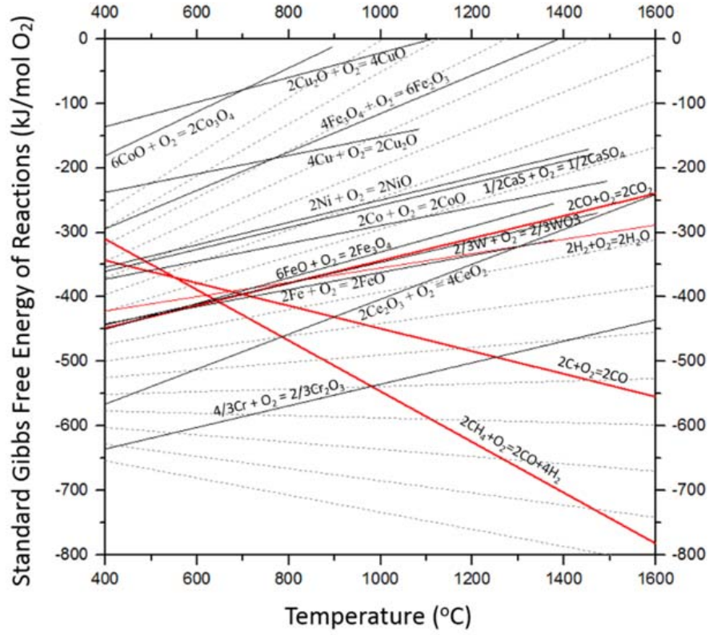
 | 2 Fe + O2 --> 2 FeO
 | T (C) | T (K) | kJ/mol O2 | J/mol O2 | ln Keq | model ln Keq | SSE | A | -15.972813394
 | 400.66735223 | 673.81735223 | -442.91390728 | -442913.90728 | 79.061874361 | 78.991500 | 0.00006 | B | 63988.6020
 | 631.78248529 | 904.93248529 | -411.12582781 | -411125.82781 | 54.644764919 | 54.738099 | 0.00016
 | 789.83242154 | 1062.9824215 | -390.99337748 | -390993.37748 | 44.241852007 | 44.224421 | 0.00001
 | 1003.0534326 | 1276.2034326 | -362.38410596 | -362384.10596 | 34.153814306 | 34.167000 | 0.00001
 | 1211.8004196 | 1484.9504196 | -334.83443709 | -334834.43709 | 27.12115273 | 27.118593 | 0.00000
 | 1372.8336967 | 1645.9836967 | -313.64238411 | -313642.38411 | 22.919186416 | 22.902786 | 0.00001
 |  |  |  |  |  |  | 0.00025
 | 6 FeO + O2 --> 2 Fe3O4
 | T (C) | T (K) | kJ/mol O2 | J/mol O2 | ln Keq
 | 400.65353132 | 673.80353132 | -450.33112583 | -450331.12583 | 80.387525898 | 80.486460266 | 0.00012 | A | -24.022510206
 | 558.72321171 | 831.87321171 | -419.60264901 | -419602.64901 | 60.669590262 | 60.628025918 | 0.00003 | B | 70418.513359
 | 716.79486652 | 989.94486652 | -387.81456954 | -387814.56954 | 47.119762489 | 47.111262735 | 0.00000
 | 933.02291144 | 1206.1729114 | -345.43046358 | -345430.46358 | 34.446178242 | 34.359262997 | 0.00022
 | 1082.1484925 | 1355.2984925 | -314.70198675 | -314701.98675 | 27.928943616 | 27.935426552 | 0.00000
 | 1196.9725639 | 1470.1225639 | -292.45033113 | -292450.33113 | 23.927016768 | 23.877246651 | 0.00010
 | 1301.3618527 | 1574.5118527 | -270.1986755 | -270198.6755 | 20.640834961 | 20.70151854 | 0.00018
 | 1372.9403151 | 1646.0903151 | -256.42384106 | -256423.84106 | 18.736769816 | 18.756742374 | 0.00002
 |  |  |  |  |  |  | 0.00068
 | 4 Fe3O4 + O2 = 6 Fe2O3
 | T (C) | T (K) | kJ/mol O2 | J/mol O2 | ln Keq
 | 397.96042944 | 671.11042944 | -295.62913907 | -295629.13907 | 52.983815582 | 53.096671826 | 0.00024 | A | -36.014129126
 | 477.01007774 | 750.16007774 | -272.31788079 | -272317.88079 | 43.662861116 | 43.706439415 | 0.00004 | B | 59803.187894
 | 565.01172309 | 838.16172309 | -244.76821192 | -244768.21192 | 35.125067812 | 35.336287204 | 0.00127
 | 651.51873637 | 924.66873637 | -219.33774834 | -219337.74834 | 28.531012664 | 28.661127581 | 0.00059
 | 724.59972852 | 997.74972852 | -199.20529801 | -199205.29801 | 24.014262089 | 23.923935686 | 0.00034
 | 797.68466949 | 1070.8346695 | -176.95364238 | -176953.64238 | 19.875911889 | 19.833136188 | 0.00009
 | 864.80292872 | 1137.9529287 | -156.82119205 | -156821.19205 | 16.57564484 | 16.539176362 | 0.00008
 | 942.36386821 | 1215.5138682 | -132.45033113 | -132450.33113 | 13.106390697 | 13.185793194 | 0.00048
 | 1025.8855662 | 1299.0355662 | -109.13907285 | -109139.07285 | 10.105299698 | 10.022476376 | 0.00068
 | 1109.4092386 | 1382.5592386 | -84.768211921 | -84768.211921 | 7.3746133214 | 7.2412961925 | 0.00241
 | 1203.3755913 | 1476.5255913 | -56.158940397 | -56158.940397 | 4.5747556922 | 4.4885131898 | 0.00163
 | 1282.4232652 | 1555.5732652 | -33.907284768 | -33907.284768 | 2.6217575236 | 2.4303396964 | 0.01398
 | 1359.9881535 | 1633.1381535 | -7.417218543 | -7417.218543 | 0.54627098064 | 0.6044433848 | 0.00619
 |  |  |  |  |  |  | 0.02803

